Sheet1
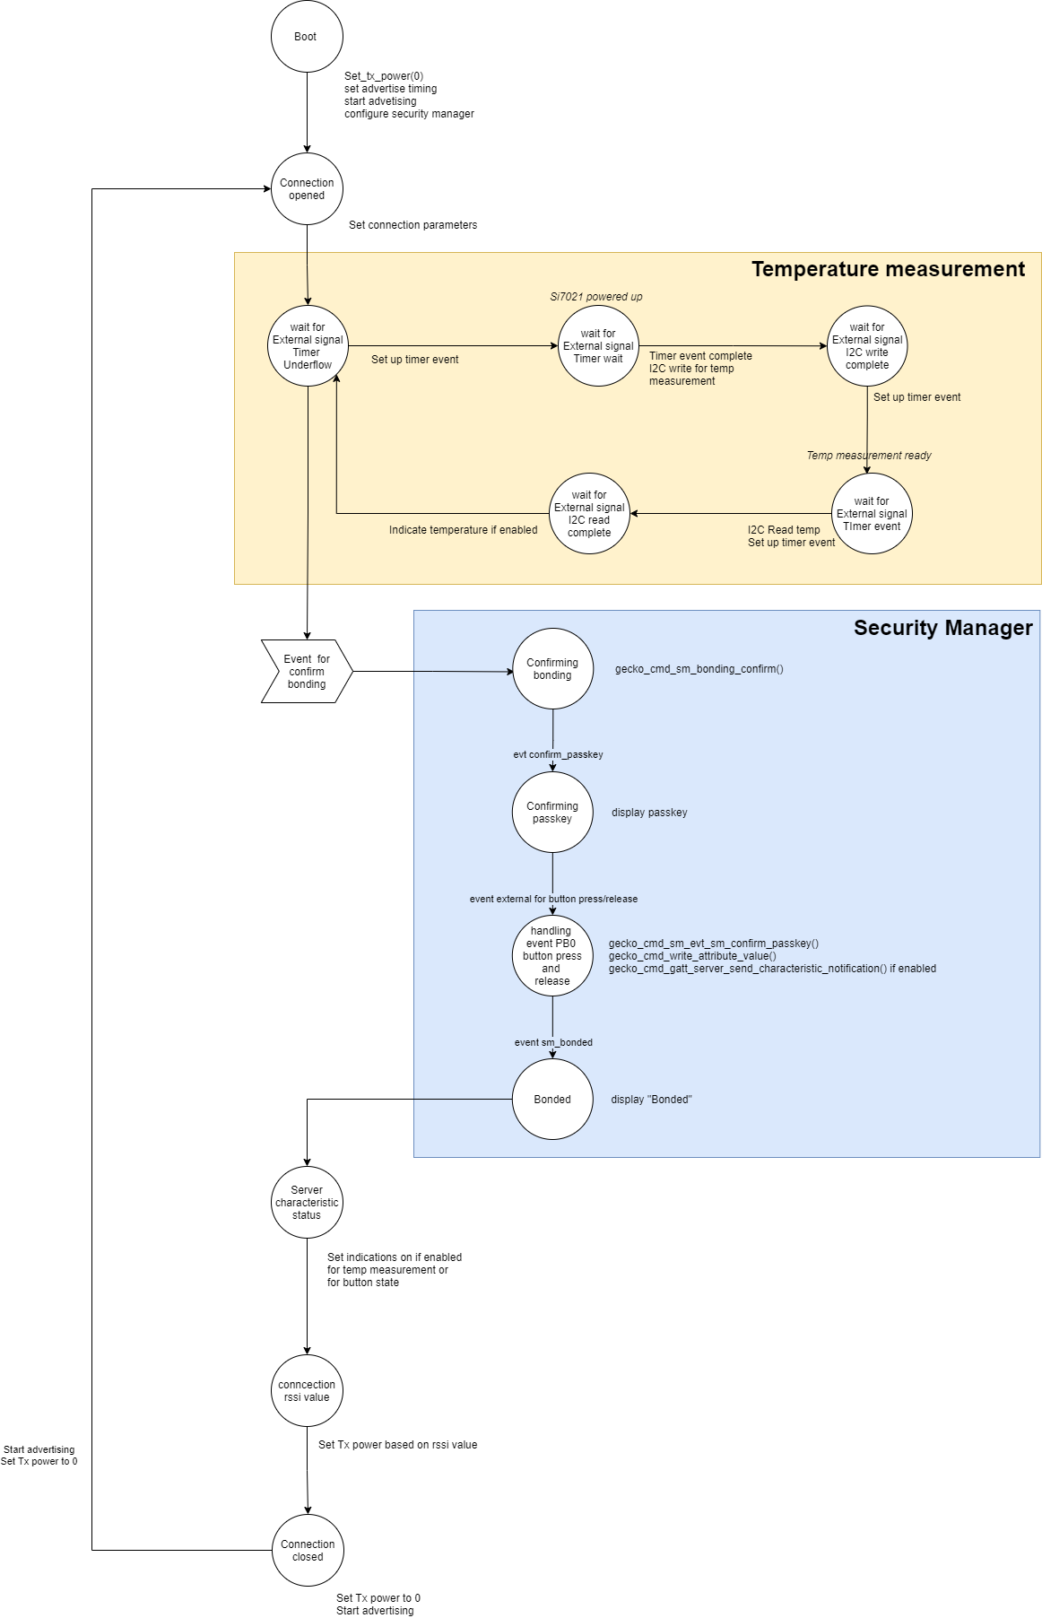
Server Command Table for A8
Client Application Design Spreadsheet
Use this table to help you design your program. Add rows as needed. | Use this column to describe when and what your LCD display changes to for rows like DISPLAY_ROW_CONNECTION Following rows are for respective rows of: DISPLAY_ROW_NAME DISPLAY_ROW_BTADDR DISPLAY_ROW_CONNECTION DISPLAY_ROW_PASSKEY DISPLAY_ROW_ACTION DISPLAY_ROW_TEMPVALUE |  | Use this column to denote if BT stack events cause your state machine to advance, you can put an X in the cell to note this. Drawing a bubble diagram of your state machine might also be a good idea. |  | Bubble Diagram -->>

BT Stack Event ID | LCD Display State |  | Advances State Machine | Commands called in response to event | Notes
gecko_evt_system_boot_id | Server | Already present |  | This event is generated on stack boot up
 | xx:xx:xx:xx:xx:xx:xx (Server's addr) | displayed |  | gecko_cmd_system_get_bt_address() | ble address to be displayed on LCD can be found by gecko_cmd_system_get_bt_address()
 | Advertising | displayed |  | gecko_cmd_system_set_tx_power() | Ser default transmit power to 0.
 | xxxxxx | not displayed |  | gecko_cmd_sm_delete_bondings() | deleting already stored long term keys
 | Confirm with PB0 | not displayed | X | gecko_cmd_sm_configure() | defaults are set if not set explicitly using this call
 | xx.xx | not displayed |  | gecko_cmd_le_gap_set_advertise_timing() | Setting up advrtising timing
 |  |  |  | gecko_cmd_le_gap_start_advertising()

gecko_evt_system_external_signal_id |  |  |  | This event is generated when external application triggers sets an event
 |  |  |  | gecko_cmd_sm_passkey_confirm() | call this if key on client and server matches
 | No Change | No Change | X | gecko_cmd_gatt_server_write_attribute_value() | write button state to characteristic so that it can be read
 |  |  |  | gecko_cmd_gatt_server_send_characteristic_notification() | send button stste over indications if enabled
 |  |  |  | functions related to Temp read : timerWaitUs(), i2c_write(), i2c_read()

gecko_evt_le_connection_opened_id | Server | Already present |  | This event is generated when a new connection is established
 | xx:xx:xx:xx:xx:xx:xx (Server's addr) | Already present | X | gecko_cmd_le_connection_set_parameters() | setting up conneciion parameters
 | Connected | Changed
 | xxxxxx | not displayed
 | Confirm with PB0 | not displayed
 | xx.xx | displayed

gecko_evt_gatt_server_characteristic_status_id |  |  |  | This event is generated whencharacteristic is changed or indications/ notifications enabled
 |  |  | X | gecko_cmd_le_connection_get_rssi() | get rssi value to devide on tx power
 | No Change | No Change

gecko_evt_le_connection_rssi_id |  |  |  | when rssi value is returned by gecko_cmd_le_connection_get_rssi()
 |  |  |  | gecko_cmd_system_set_tx_power() | Set Tx power based on rssi valie
 | No Change | No Change | X

gecko_evt_le_connection_closed_id | Server | Already present |  | This event is generated when connection dropped
 | xx:xx:xx:xx:xx:xx:xx (Server's addr) | Already present |  | gecko_cmd_system_set_tx_power() | set Tx power to default 0
 | Advertising | Changed
 | xxxxxx | not displayed | X
 | Confirm with PB0 | not displayed
 | xx.xx | removed

gecko_evt_hardware_soft_timer_id |  |  |  | This event is generated by the 1 second BT stack timer we started up & use this to perform the 1 second period toggling of the LCD display EXTCOMIN signal, for static charge build-up management

 | No Change | No Change
 |  |  | X

gecko_evt_sm_confirm_bonding_id |  |  |  | This event is generated when bonding initiated by client
 |  |  |  | gecko_cmd_sm_bonding_confirm() | confirmonding based on bonding request by client
 | No Change | No Change | X

gecko_evt_sm_confirm_passkey_id | Server | Already present |  | This event is generated when passkey is received
 | xx:xx:xx:xx:xx:xx:xx (Server's addr) | Already present | X
 | Connected | Already present
 | xxxxxx | displayed
 | Confirm with PB0 | displayed
 | xx.xx | Already present

gecko_evt_sm_bonded_id | Server | Already present |  | This event is generated when devices are bonded
 | xx:xx:xx:xx:xx:xx:xx (Server's addr) | Already present | X
 | Bonded | Changed
 | xxxxxx | removed
 | Confirm with PB0 | removed
 | xx.xx | Already present

